Sheet1
Degree of Inhibition | From #1 to #34
 | >66 | 3
 | 33-66 | 2
 | 0-33 | 1
 | 0 | 0

A list of VRK2 inhibitors and scores

# | name | Structure | score | remarks
1 | Thimerosal(100μM) | 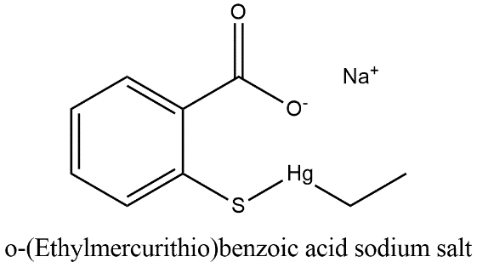 | 3
2 | Oxytetracycline(100μM) |  | 3
3 | Methylene blue | 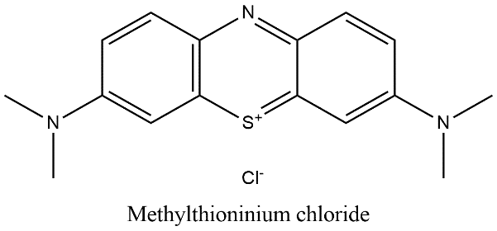 | 3
4 | Epigallo Catechin | 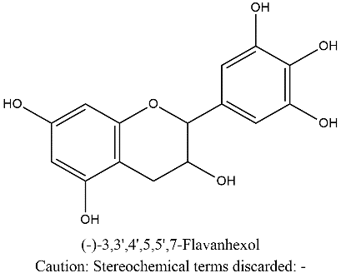 | 3
5 | GP10(Gossypetin) | 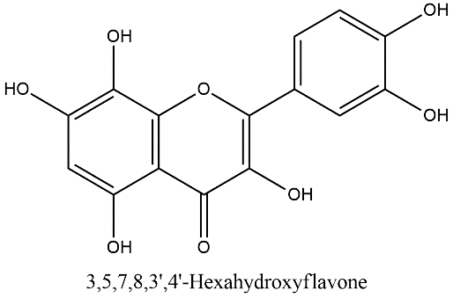 | 3
6 | Morin | 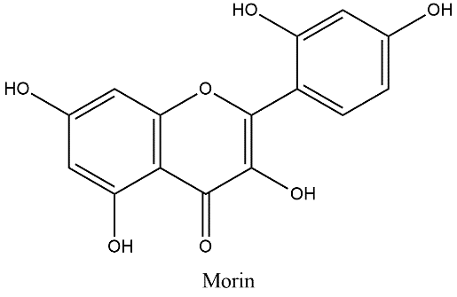 | 3
7 | Baicalin | 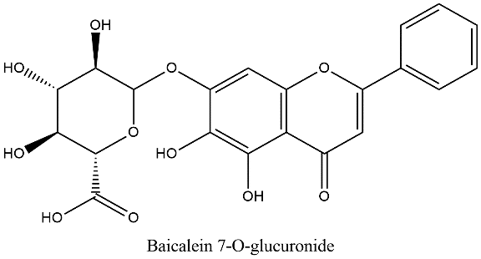 | 3
8 | Myricitrin | 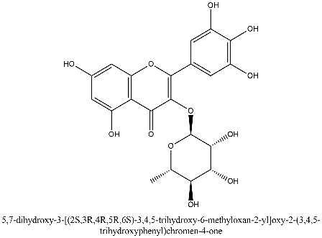 | 3
9 | Wogonin(500μM) | 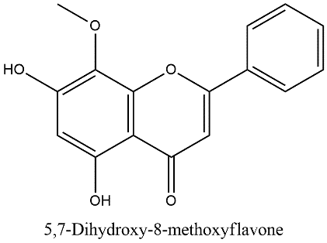 | 3
10 | 7,8-Dihydroxyflavone(7,8-DHF) | 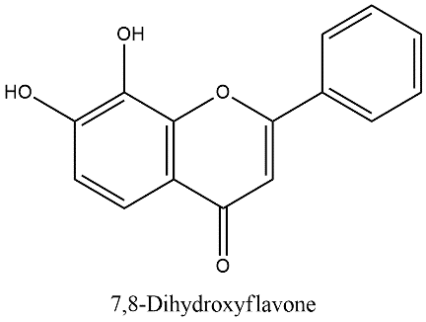 | 3
11 | Hieracin | 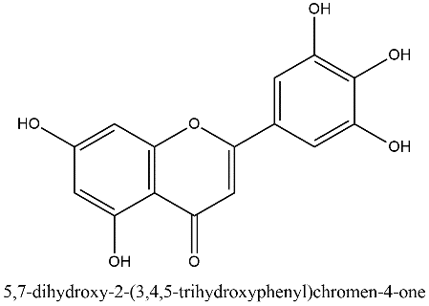 | 3
12 | 5-methoxyindole-3-carbinol, alkaloid | 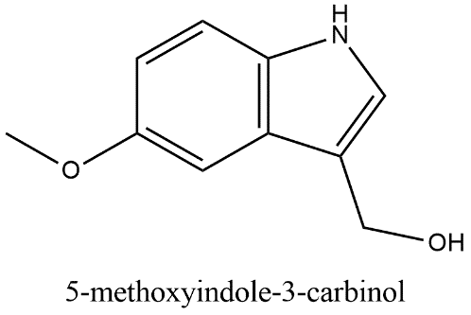 | 3
13 | Baicalein | 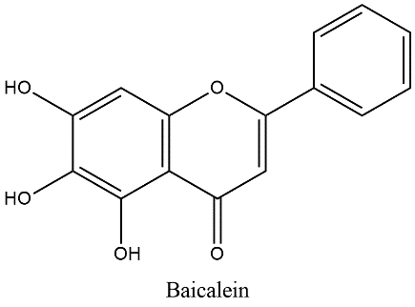 | 2
14 | Congo Red | 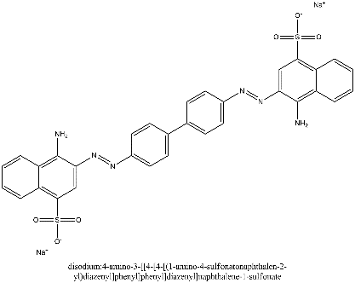 | 2
15 | Myricetin | 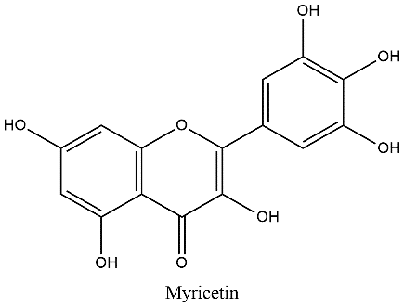 | 2
16 | Quercetin | 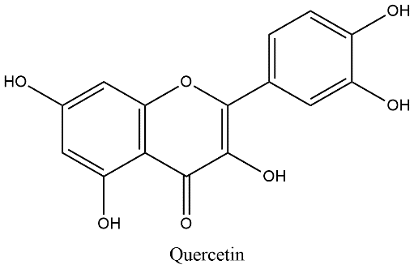 | 2
17 | Harmol hydrochloride | 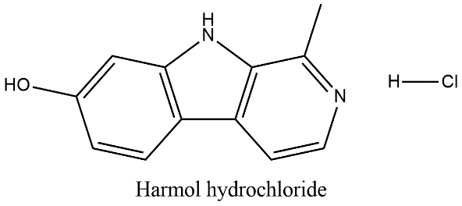 | 2 | ** 표에는 'VRK2 inhibition 없음' 표기
18 | Catechin pentaacetate | 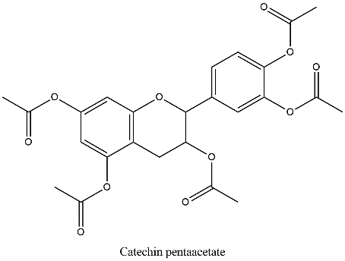 | 2
19 | no name but with structure | 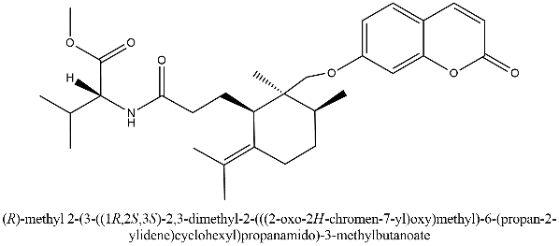 | 2
20 | Mundulone acetate | 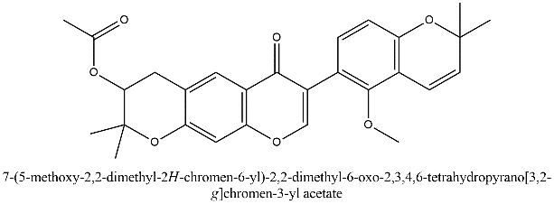 | 2
21 | 3,7-dihydroxyflavone(flavonoid) | 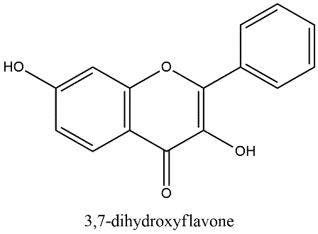 | 2
22 | Cyclohexanepropanami​de, 2,​3-​dimethyl-​6-​(1-​methylethylidene)​-​2-​[[(2-​oxo-​2H-​1-​benzopyran-​7-​yl)​oxy]​methyl]​-​, (1S,​2S,​3S)​- | 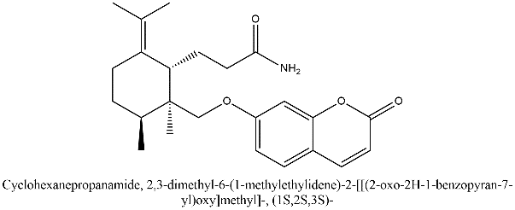 | 2
23 | Rosemaric acid | 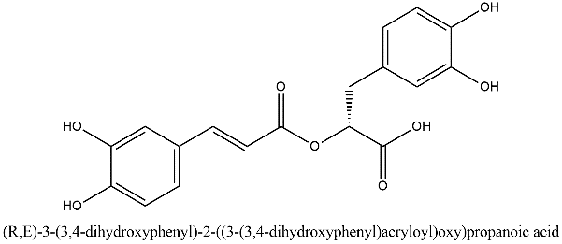 | 1
24 | Phloraceto | 구조 없음 | 1
25 | Phbradton plenare | 구조 없음 | 1
26 | Butoclamol |  | 1
27 | Avermectin A1a | 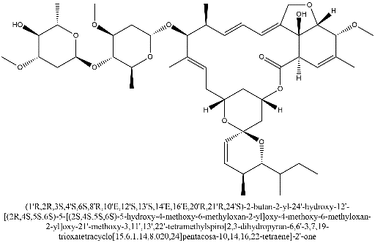 | 1
28 | 1H-​Dibenzo[b,​d]​pyran-​6-​ethanaminium, 2,​3,​4,​4a,​6,​6a,​7,​8,​10a,​10b-​decahydro-​N,​N,​β,​β-​tetramethyl-​N-​(phenylmethyl)​- | 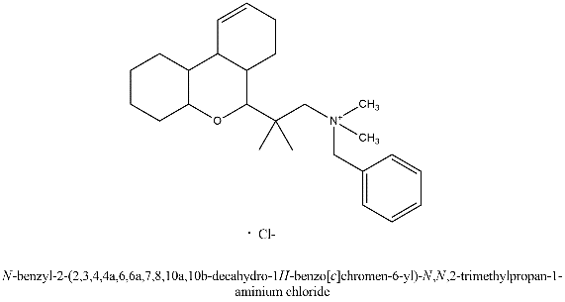 | 0
29 | Amperozide hydrochloride | 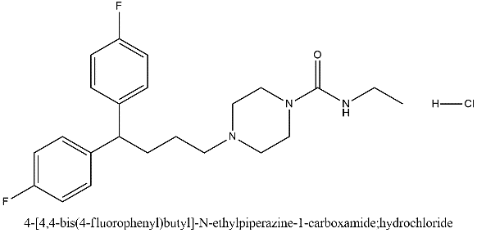 | 0
30 | no name but with structure(similar structure with #19) | 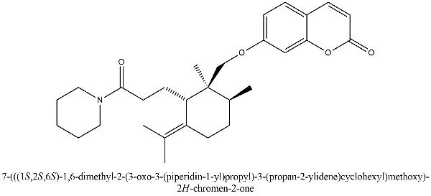 | 0
31 | Schizandrin A | 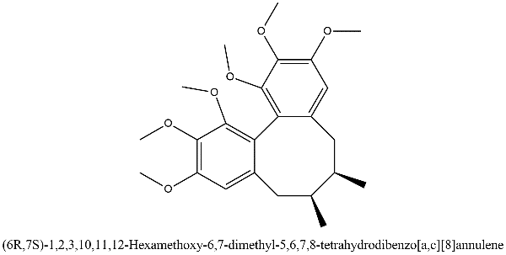 | 0
32 | 1H-​Indolizino[8,​7-​b]​indole, 2,​3,​5,​6,​11,​11b-​hexahydro-​11-​methyl-​11b-​phenyl-​, hydrochloride (1:1) | 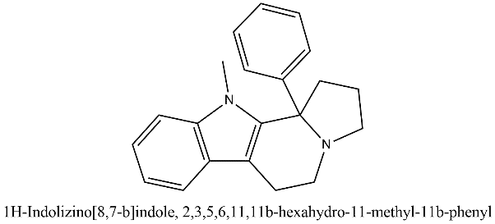 | 0
33 | CAS 956044-42-1 | 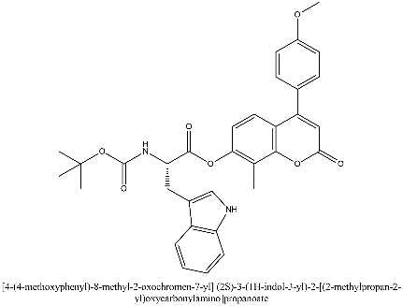 | 0
34 | Androst-​4-​en-​3-​one, 16-​hydroxy-​16-​[2-​(5,​6,​7,​8-​tetrahydro-​4-​methoxy-​6-​methyl-​1,​3-​dioxolo[4,​5-​g]​isoquinolin-​5-​yl)​ethynyl]​- | 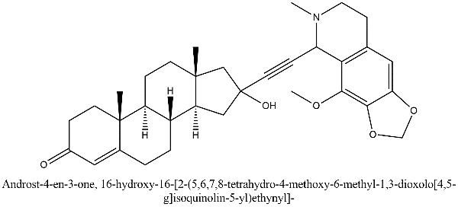 | 0
35 | Ruxolitinib | 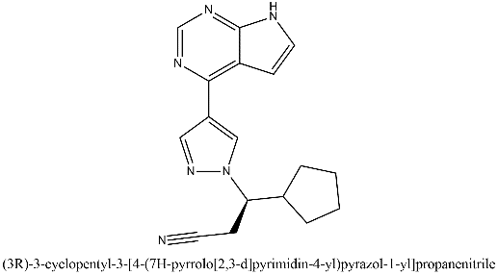 | 3
36 | Alvocidib | 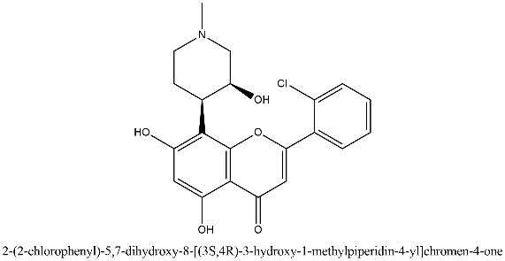 | 3
37 | A-674563 |  | 3
38 | dasatinib |  | 3
39 | bosutinib | 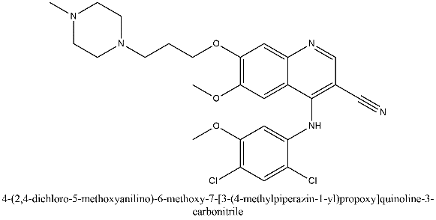 | 3
40 | chembl4467571 | 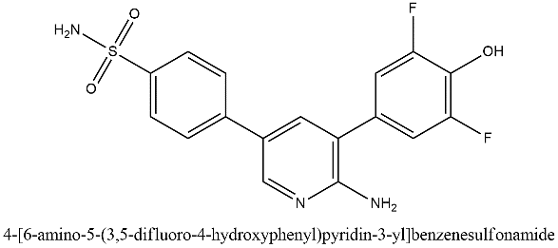 | 3
41 | bisindolylmaleimide IX | 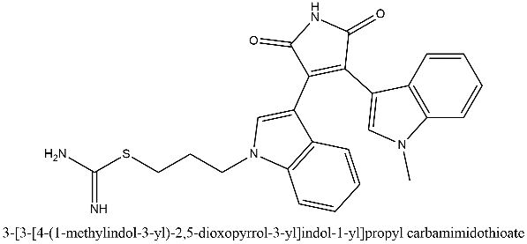 | 2
42 | chembl4521353 | 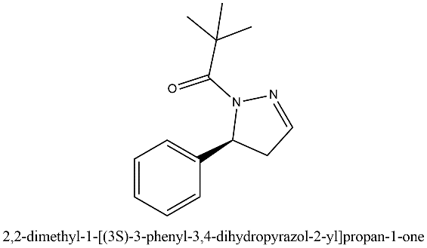 | 2
43 | chembl4549667 |  | 2
44 | (3S)-3-(2-Benzyl-7-oxo-4,5-dihydropyrazolo[3,4-c]pyridin-6-yl)-5-methyl-2,3-dihydro-1,5-benzoxazepin-4-one |  | 2
45 | (3S)-3-[2-[(1,1-Dioxothian-4-yl)methyl]-7-oxo-4,5-dihydropyrazolo[3,4-c]pyridin-6-yl]-5-methyl-2,3-dihydro-1,5-benzoxazepin-4-one |  | 2
46
47
48
49
50
51
52
53
54
55
56
57
58
59
60
61
62
63
64
65
66
67
68
69
70
71
72
73
74
75
76
77
78
79
80
81
82
83
84
85
86
87
88
89
90
91
92
93
94
95

